1. Title Page
Instacart Grocery Basket Analysis

Project Name:
Date: April 26, 2023
Analyst Name: KeelyTeh

Contents:
Population Flow
Consistency Checks
Wrangling Steps
Column Derivations
Visualizations
Recommendations
Data Citation

2. Population Flow
Title page

Population flow

Exclusion flag
Condition: max_order <
Obervations to be removed:
Final total count of order_products_all:

Orders_products_merged
Orders_products_combined
Orders_products_all

Total: 32,434,489
Total: 32,404,859
Total: 32,404,859

1.) The grey boxes in the first row of the population flow represent the original data sets as they were when you downloaded them. In the Total fields you need to add the count of the rows when you imported the data set into Jupyter.
2.) The second row of boxes (blue) represents the data sets after you manipulated them, e.g., removed missing values and duplicates. In the Total fields you need to add the count of the rows after conducting these operations. This offers a visual oveview of how the data flows throughout the data consistency checks.
3.) The third row, where also the arrows are colored, represents the merges you performed between the datasets. In the Total fields you need to add the count of the rows in the merged datasets, so that you end up with the final dataset (in the red box). Keep in mind the final dataset should be without exclusions (based on the exclusion flag).

3. Consistency Checks
 |  |  |  | Title page
Consistency checks

Dataset | Missing values | Missing values treatment | Duplicates
orders | 206,209 in days_since_prior_order | Left as is, likely new customers | No duplicates found
products | 16 records with null product names | All 16 recoreds removed | 5 records removed
orders_products_prior | None | None | None
customers | None | None | None

4. Wrangling Steps
 |  |  |  | Title page
Wrangling steps

Columns dropped | Columns renamed | Columns' type changed | Comment/Reason
eval_set from orders |  |  | Not needed for analysis
 | order_dow from orders |  | Changed to order_day_of_week
 |  | order_id from orders | Changed to string to optimize processing speed
 |  | user_id from orders | Changed to string to optimize processing speed
 |  | order_day_of week from orders | Changed to int8 to optimize processing speed
 |  | order_hour_of_day from orders | Changed to int8 to optimize processing speed
 |  | days_since_prior_order from orders | Changed to float16 to optimize processing speed
 |  | order_number from orders | Changed to int16 to optimize processing speed
 |  | order_id from orders_products_prior | Changed to string to optimize processing speed
 |  | product_id from orders_products_prior | Changed to int32 to optimize processing speed
 |  | add_to_cart_order from orders_products_prior | Changed to int16 to optimize processing speed
 |  | reordered from orders_products_prior | Changed to int8 to optimize processing speed
 |  | product_id from products | Changed to int32 to optimize processing & to match data type in column of same name in previously merged data set
 |  | aisle_id from products | Changed to float16 to optimize processing speed
 |  | department_id from products | Changed to int8 to optimize processing speed
 |  | prices from products | Changed to float32 to optimize processing speed
 |  | user_id from customers | Changed to string to optimize processing speed & to match data type in column of same name in other data sets
 |  | age in customers | Changed to int8 to optimize processing speed
 |  | n_dependents | Changed to int8 to optimize processing speed
 |  | income in customers | Changed to int32 to optimize processing speed
Unnamed: 0 in customers |  |  | No pertinent information
 | Gender in customers |  | Changed to gender
 | STATE in customers |  | Changed to state
 | Age in customers |  | Changed to age
 | n_dependents in customers |  | Changed to no_children
 | fam_status in customers |  | Changed to marital_status
first_name in customers |  |  | Removed PII data
last_name in customers |  |  | Removed PII data
 | Unnamed: 0 in departments |  | Changed to department_id

5. Column Derivations
 |  |  |  | Title page

Column derivations and aggregations

In this tab you should add tables below that the frequences of flags/label variables that you produced after deriving them. NB: don't do this for continuous variables, only for flags.
Dataset | New column | Column/s it was derived from | Conditions
orders; orders_checked.pkl | new_customer | days_since_prior_order | isnull() == True
merged orders, orders_products_prior, and products; ords_prods_merged_busy_updates.pkl | price_label | prices | >15, <= 15 & >5, and <=5
merged orders, orders_products_prior, and products; ords_prods_merged_busy_updates.pkl | busiest_day | orders_day_of_week | if value == 0, elif value == 4, else
merged orders, orders_products_prior, and products; ords_prods_merged_busy_updates.pkl | busiest_days | orders_day_of_week | if value == 0 or value == 1, elif value == 4 or value == 3, else
merged orders, orders_products_prior, and products; ords_prods_merged_busy_updates.pkl | busiest_period_of_day | order_hour_of_day | if v < list_percentile[2], elif v >= list_percentile[2] and v < list_percentile[1], elif v >= list_percentile[1]
merged orders, orders_products_prior, and products; ords_prods_merged_flags.pkl | max_order | order_number | df_ords_prods_merged.groupby(['user_id'])['order_number'].transform(np.max)
merged orders, orders_products_prior, and products; ords_prods_merged_flags.pkl | loyalty_flag | max_order | > 40, <=40 & >10, <=10
merged orders, orders_products_prior, and products; ords_prods_merged_flags.pkl | avg_spent | prices | df_ords_prods_merged.groupby(['user_id'])['prices'].transform(np.mean)
merged orders, orders_products_prior, and products; ords_prods_merged_flags.pkl | med_days_since_prior_order | days_since_prior_order | df_ords_prods_merged.groupby(['user_id'])['days_since_prior_order'].transform(np.median)
merged orders, orders_products_prior, and products; ords_prods_merged_flags.pkl | order_frequency_flag | med_days_since_prior_order | >20, >10 & <=20, <=10
merged orders, orders_products_prior, products, and customers; ords_prods_customers_norm_act.pkl | region | state | isin(Northeast), isin(Midwest), isin(South), isin(West)
merged orders, orders_products_prior, products, and customers; ords_prods_customers_norm_act.pkl | exclusion_flag | max_order | <5, >=5
merged orders, orders_products_prior, products, and customers; ords_prods_cust_profiles.pkl | income_level | income | <= 67292, > 67292 & < 128102, >= 128102
merged orders, orders_products_prior, products, and customers; ords_prods_cust_profiles.pkl | age_group | age | >= 18 & <= 39, >=40 & <= 59, >=60 & < 75, >= 75
merged orders, orders_products_prior, products, and customers with young adults living at home removed from ords_prods_cust_profiles; df_all_indep_adults.pkl | family_size | no_children | ==0, ==1, >=3

6. Visualizations
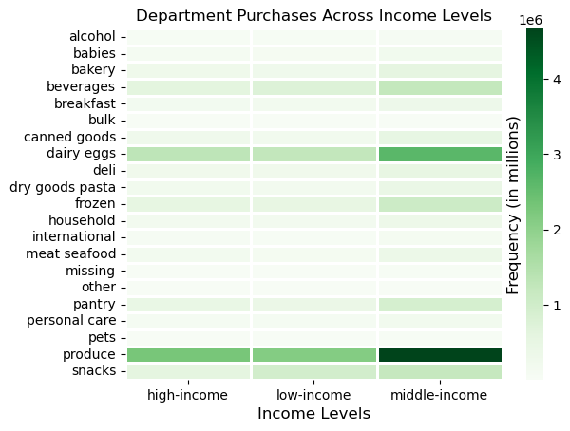
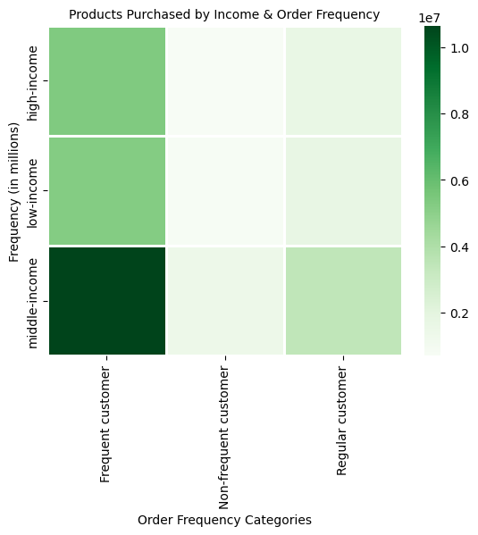
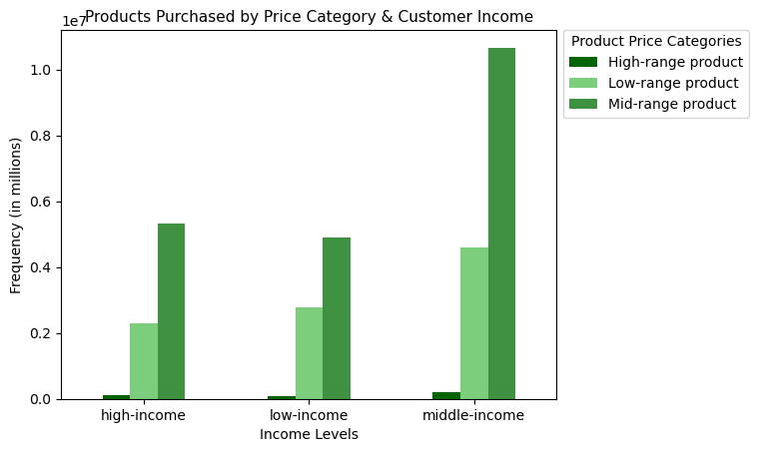
 |  | Title page

Visualizations

Key Questions

1. What are the busiest days of the week and hours of the day for purchases? Sales wants to schedule ads
during times of fewest orders.

Answer: | The busiest days of the week are Saturday and Sunday, while the least busy days are Tuesday and Wednesday.
 | The busiest times of day are between 9 to 10 a.m. to 3 to 4 p.m. The least busy times of day are very early in the
 | morning to late at night, approximately 11 p.m. to 5 a.m.

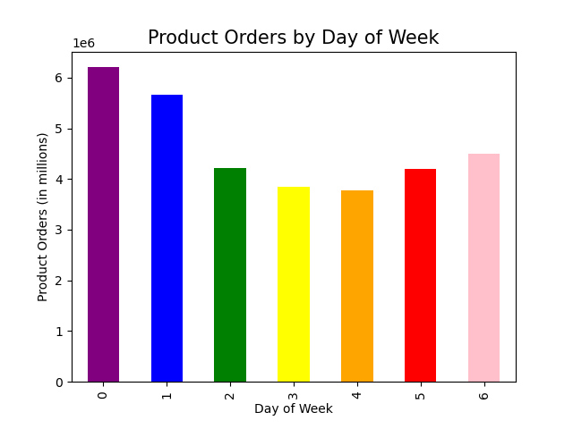



2. What times of day do people spend the most money? This might inform the types of products
they advertise during these times.

Answer: Customers buy higher priced items early in the morning, from 3 to 6 a.m. and later in the afternoon to late at night, from 3 p.m. to midnight.
 | Customers buy more conservatively priced items during peak shopping hours, from 10 a.m. to 2 p.m.
 | Also, for days of the week, customers buy higher priced items on the weekend, and more reasonably priced items during the week.
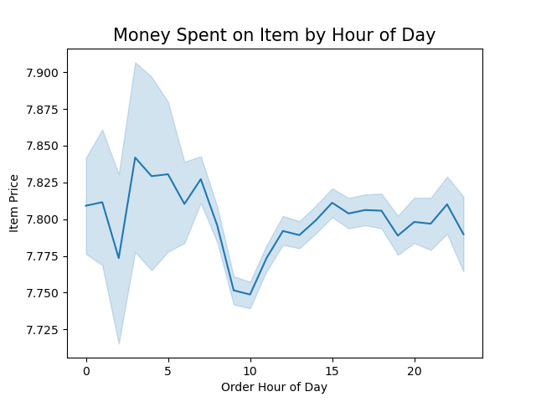

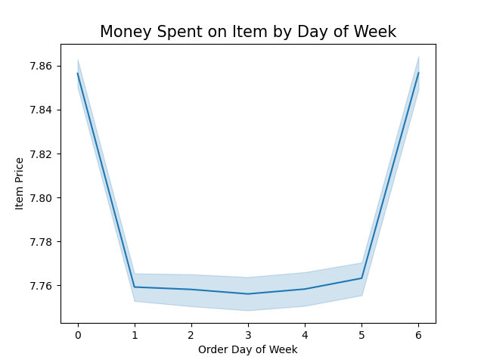

3. Are there certain types of products that are more popular than others? What departments have the highest frequency of orders?

Answer: The top 6 departments that have the highest frequency of orders are produce, dairy/eggs, snacks, beverages, frozen, and pantry.
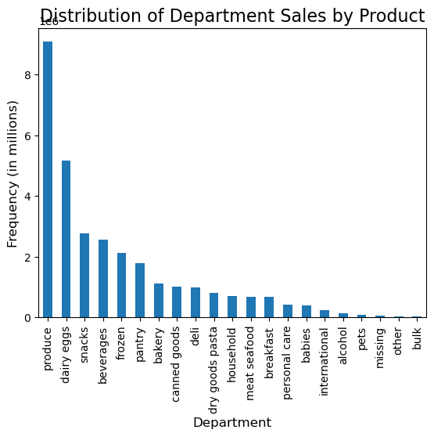

4. Marketing is interested in different types of customers in their system and how their ordering behavior differs.
a) What's the distribution among customers in terms of loyalty? How often do they return to Instacart?

Answer: Most products are purchased by Instacart's regular customers, followed by their loyal customers.
 | Regular customers have ordered between 10 and 40 times in a given period, while loyal customers
 | have placed more than 40 orders in the same time period.

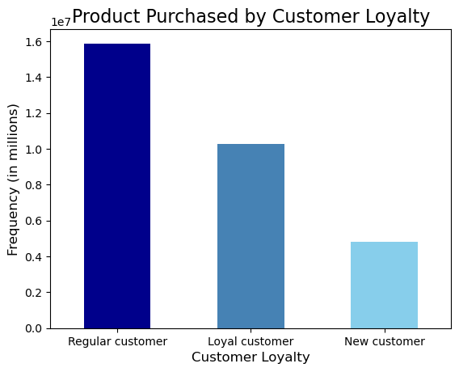

b) Are there differences in ordering habits based on a customer's loyalty status?

Answer: Ordering habits in terms of loyalty follow the same patterns as all of IC's customers, as seen earlier.
 | Customers of all loyalties favor the same departments, and both regular and loyal customers favor
 | mid-range priced products and to a lesser extent, low-range priced products. However, you will notice,
 | since regular customers buy more products overall, they lead the purchases in all the popular departments.

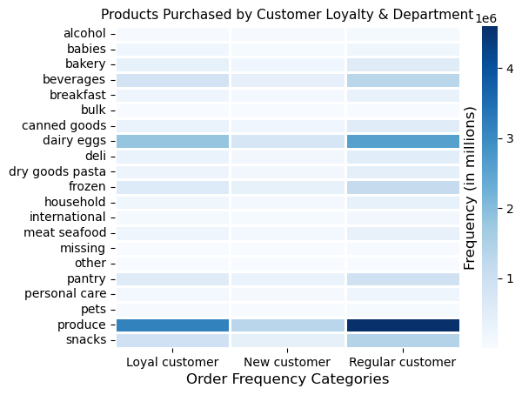

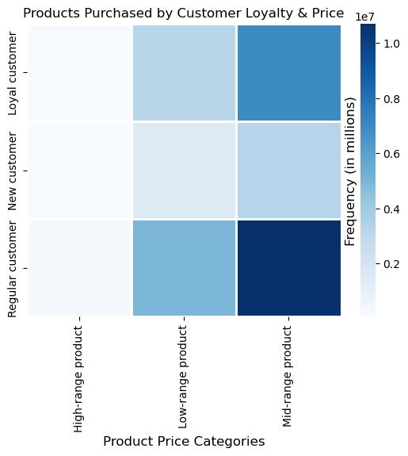

c) Are there differences in ordering habits based on a customer's region?

Answer: Customers from the South and West buy more items than customers from the Midwest or Northeast.
 | Also, the South has a slightly higher proportion of middle-income customers than the other regions,
 | a slightly higher proportion of young adult customers, and is somewhat more likely to have medium sized
 | families with one or two children than the other regions.

 | Additionally, the different regions demonstrated the same purchases by department popularity as IC
 | customers as a whole, with the South purchasing a greater share of popular categories because this region had
 | a greater share of IC customers (graph not included because no new insight was gained).

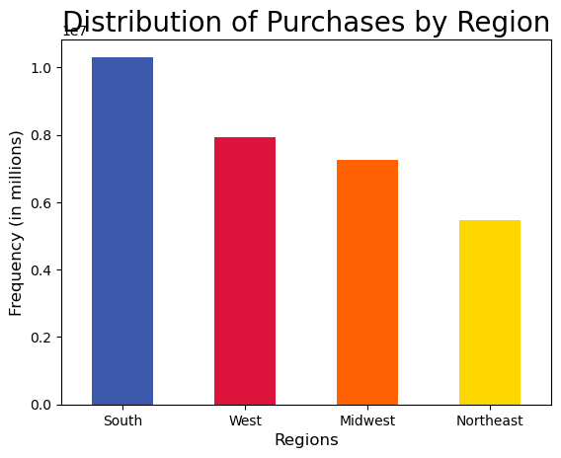
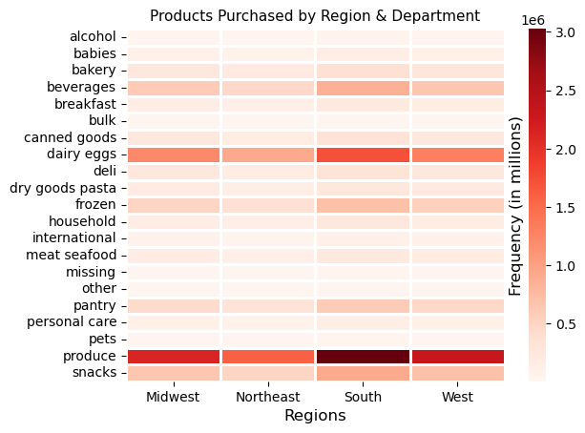

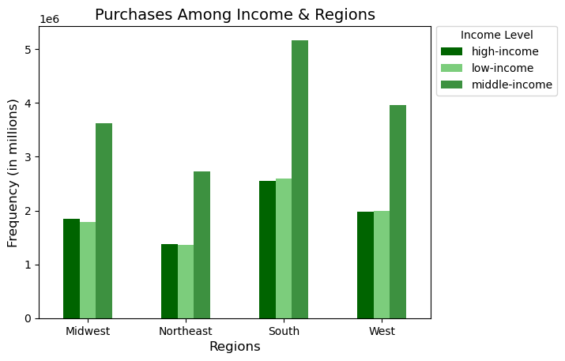
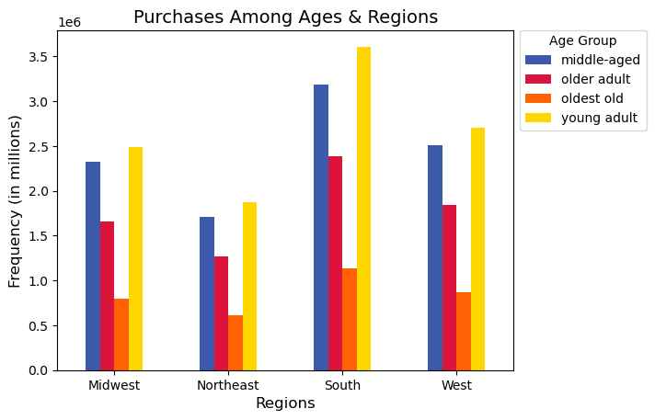

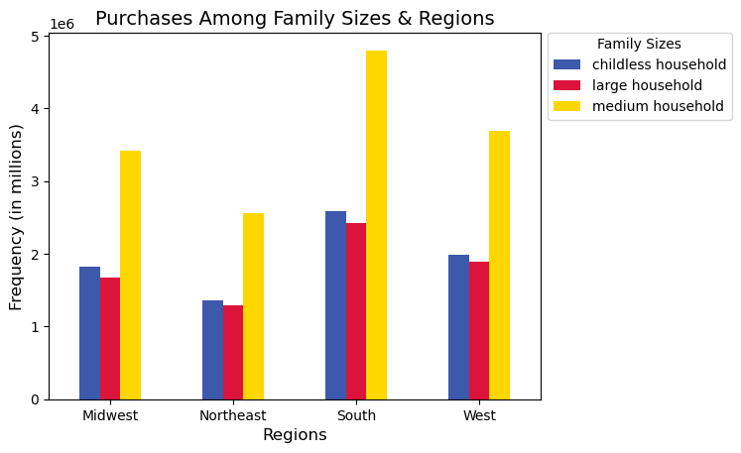

d) Is there a connection between age and family status in terms of ordering habits?

Answer: Young and middle-aged customers buy more from Instacart than other age groups. Also, medium-sized households,
 | those with 1 or 2 children, purchase more products from IC than other family sizes. This means that in other areas
 | or metrics, such as department popularity, popular product price ranges, etc., these age and family size groups contribute
 | a greater proportion of customers in these popular categories, as you will see in the the following questions and answers.

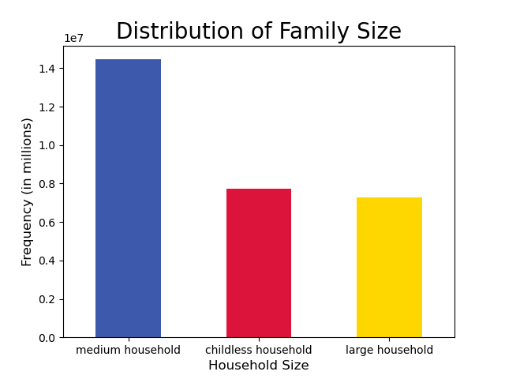
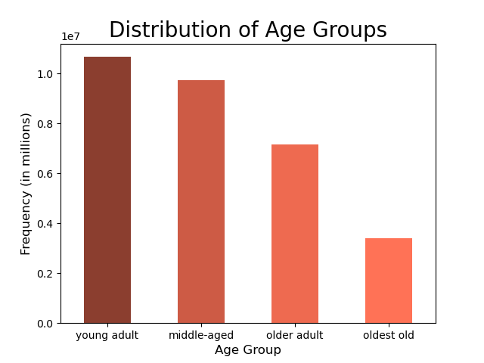

e) What classification does the demographic information suggest? Age? Income? Certain types of goods? Family status?

Answer: Instacart has more middle-income customers than either low or high-income customers. Also, because middle-income
 | customers take a greater proportion of all of IC's customers, they are found in higher numbers in popular departments
 | and price categories as well (see last Q&A for details). In fact, they take the same top 6 spots in department popularity as
 | IC customers as a whole, but they also make up a greater proportion of purchases in these departments. The remaining
 | questions regarding age, family status, and departments have been answered in the other questions. More of IC's customers are again,
 | middle-income, young or middle-aged, and medium-sized families with one or two children. Popular departments
 | are produce, dairy/eggs, snacks, beverages, frozen, and pantry.
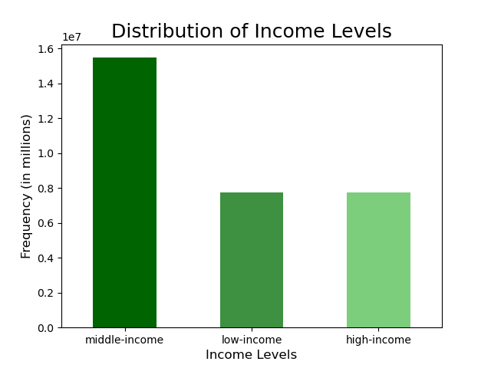

f) What differences do you find in ordering habits of different customer profiles? Consider the price and frequency of orders,
the departments in which they are buying products, and anything else you can think of.

Answer: First, order frequency must not be confused with loyalty in earlier questions. Order frequency is calculated based
 | on the average number of days since the previous order, while loyalty (earlier Q&A) is focused on the maximum
 | number of orders in a given period. Now, for age, young adults buy the most products in popular departments,
 | followed by middle-aged customers. Young and middle-aged are also the most frequent customers. Finally, the
 | young and middle-aged buy disproportionately more products in the popular price category, mid-range products.

 | Then, family sizes follow the same patterns previously seen in departments, order frequency, and price catgory.
 | However, medium households buy the most IC products, followed by childless households, then large households.
 | Also, medium households are more likely to be frequent customers, followed by childless households, then large households.

 | Then finally, department and income charts suggest middle income customers buy the most IC products, followed by high income,
 | then low-income. Middle income customers, because they make up a greater proportion of IC customers in general, make up
 | more of the most popular price catgories, which are mid-range products, followed by low-range and high-range products, respectively.
 | You can also see by the final chart, middle-income customers are disproportionately, the most frequenct IC shoppers.

 | Age: Department Purchases, Order Frequency, and Price Category
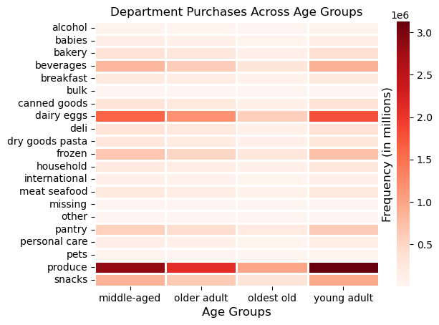
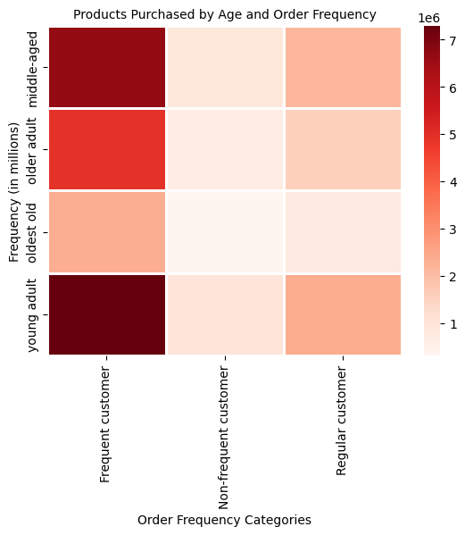
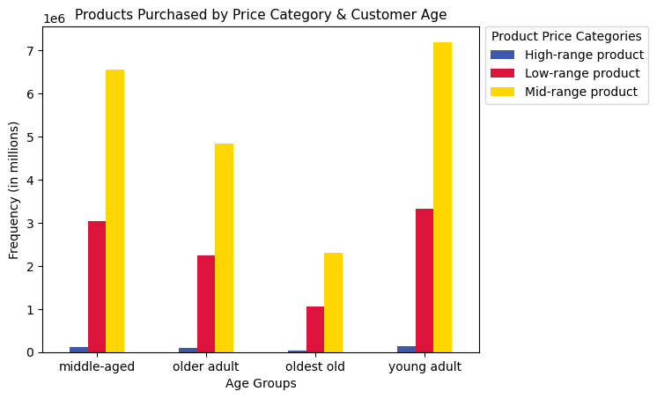

 | Family Size: Department Purchases, Order Frequency, and Price Category

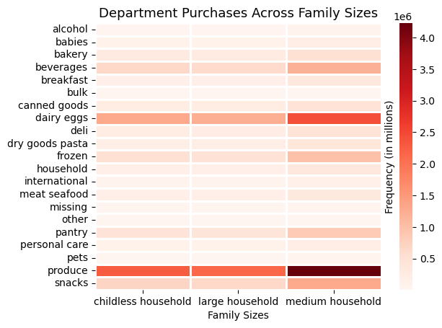
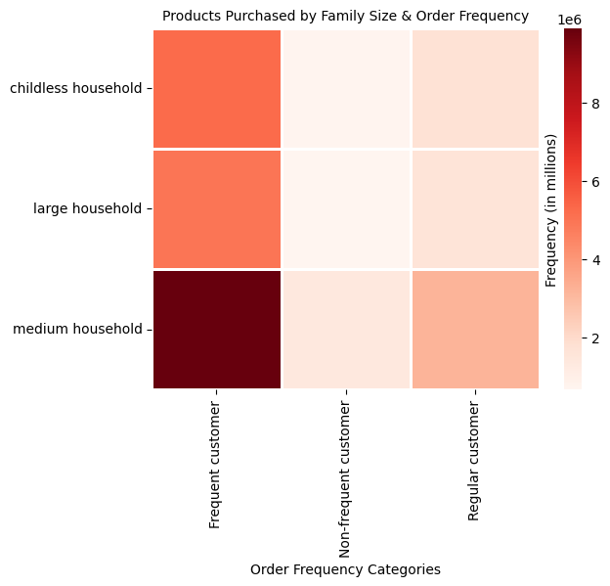
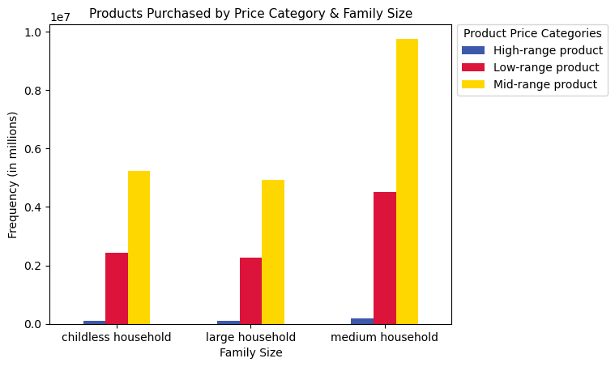

 | Income: Department Purchases, Order Frequency, and Price Category

7. Recommendations
 |  | Title page

Recommendations

Key Question 1: | What are the busiest days of the week and hour of the day? They want to schedule ads during
 | times when there are fewer orders.

Answer: | The busiest days of the week are Saturday and Sunday, while the least busy days are Tuesday and Wednesday.
 | The busiest times of day are late morning to late afternoon, around 10 am to 3 to 4 p.m. The least busy times
 | of day are late at night to early in the morning, maybe around 11 p.m. to 5 a.m. with a significant dip in business
 | starting in the early evening.

Recommendations: | Ads should be targeted on Tuesdays and Wednesdays in the evenings after work and later at night and mornings
 | when appropriate.

Key Question 2: | What times of day do people spend the most money? This would inform IC of the types of products they should
 | advertise at these times.

Answer: | People are inclined to spend slightly more money per item on the weekend and throughout the early morning and evening before and after work;
 | however, the total volume of orders is much higher and more significant at 10 a.m. to 3 or 4 p.m. Instead, more focus should be placed
 | on the time when the highest volume of products are sold, from 10 a.m. to 3 to 4 p.m.

Recommendations: | Advertise and offer coupons, sales, or incentives for more expensive items of popular categories (produce, dairy/eggs, snacks, beverages,
 | frozen, and pantry) on the weekend and in the mornings and evenings before and after the typical work day and commute. Do the same for
 | products selling at high volumes: offer incentives from 10 a.m. to 3 or 4 p.m. (or during slow days and times as suggested in the first Q&A)
 | for items in popular department categories.

Key Question 3: | Instacart has a lot of products at different price tags. How can they use price-range groupings to direct their efforts?

Answer: | We have low, mid, and high-range priced products. There are more mid-range products sold, and next is low-range products, while last is
 | high-range products. Mid-range products are primarily bought primarily by IC's regular and loyal customers, middle-income, medium household,
 | and young to middle-aged adults. Mid-range products are also bought in significant numbers by other customer profiles, just in smaller numbers by
 | the other income, age, and family-size profiles because the middle-income, medium family, and young to middle-aged adults make up more of IC's customers.
 | Finally, high-range products are bought most often on the weekend and before and after work (early mornings and evenings) when people are more
 | relaxed and spend more money per item. Finally, low-range products are bought by all income levels, but especially by middle income customers,
 | likely higher because they make up a larger proportion of IC's customers.

Recommendations: | So, mid-range products should be advertised during peak hours (or slow times from first question), and for the most cost-effective strategy, regular, frequent, middle-income,
 | medium households, and young and middle-aged adults. However, customers that are high and low-income, other age groups, and family sizes could be
 | targeted for mid-range product ads because other customer profiles also buy a lot of mid-range products. Finally, high-range products should be advertised on the weekend,
 | and before and after work (early mornings and evenings) when people are more relaxed and spend more money per item. Finally, low-range products
 | can be targeted to all income levels during peak 10 a.m. to 4 p.m. hours (or slow days and times), but especially to middle income customers. In summary:
 | • Mid-Range Products: Advertise during peak hours (or slow times in first Q&A) to all customers, but to regular, loyal, frequenct, middle-income, medium families, young and middle-aged customers
 | for the most cost effective strategy.
 | • High-Range Products: Advertise to all customers during the weekend and early morning and evenings before and after work during the week.
 | • Low-Range Products: Advertise to middle-income customers during slow times from first Q&A (or during peak hours) for a targeted stategy, or to all
 | customers since all customer income-levels buy a signficant amount of low-range products.

Key Question 4: | Are there certain types of products that are more popular than others? Marketing wants to know how to leverage frequency of orders of different
 | product types.

Answer: | Yes. Produce, dairy/eggs, snacks, beverages, frozen, and pantry make up the top 6 department categories by sales. The chart titled "Distribution of Department Sales by Product"
 | can be used to determine which products to advertise during scheduled advertising times.

Recommendations: | The top 6-10 department categories can be advertised, and incentives could also be offered, preferably during slower times like Tuesdays and Wednedays and before and after
 | the typical workday. They could also be advertised during peak times if marketing or sales decides this is a preferable strategy.

Key Question 5: | What are the different types of IC customers, and how do their ordering behaviors differ?

Answer: | Starting with loyalty, more of IC's customers are regular customers, as opposed to loyal or new customers. All the same department
 | department categories and product price-range categories have the same ranking as IC customers as a whole. It is just that regular
 | customers make up a larger portion of IC's customers, so they are in darker colors in the loyalty/price and loyalty/department visuals.

 | For regional customers, the South and West make up a larger proportion of IC's customers than the Midwest or Northeast. This may be
 | because more of these customers are inclined to be middle-income, young and middle-aged, and have mid-sized families, which make
 | up more of IC's customer base. Also, all regions demonstrate the same department popularity in regards to sales; it is just that
 | areas with more IC customers have darker shades in heatmap visuals because they have more customers contributing to sales in those
 | departments.

 | For age, we have young and middle-aged adults making up more of IC's customers, and they also tend to be more frequent customers,
 | which is measured by length of time since previous shopping visit to Instacart. All age groups seem to have the same department popularity
 | in regards to sales, but because young and middle-aged make up a larger proportion of IC's customers, they buy more products in these popular categories.
 | The only exception may be that the older groups may be less likely to buy baby items or alcohol, but a deeper investigation into the numbers may be necessary.
 | Also, these two common age groups buy a somewhat more disproportional amount of low and mid-range products.

 | Finally, for family-size, this category reflects the proportion of IC's customers. For example, mid-size families make up the most of IC's customers, followed by
 | childless households, then finally large families. So, it stands to reason that these age groups follow the same order in the proportion of department sales,
 | frequent customers, and sales in different price categories. Again, however, mid-size families are responsible for a somewhat disproportional amount of mid-range product sales.

Recommendations: | IC may want to offer more incentives to regular customers to make them more frequent shoppers. Also, Instacart can continue to grow their current largest customer base,
 | and/or try to reach other customers by catering to different customer needs. The later is always risky, while the first is a safer strategy. For example, IC may want to try to gain
 | more customers in the South and West, middle-income, and mid-size families that are in young and middle-aged age groups. Instacart can expand their offerings and offer surveys to meet
 | these customers needs and develop more incentives for them, such as coupons, discount days, giveaways, prizes, and family-centered incentives. They can also decide to
 | reach out to other customer groups more with surveys, to find out how to better meet their needs. It is advised IC expand on their current popular customer base, and very slowly reach out and
 | offer incentives to other customer groups but only if they can do so cost-effectively and with little risk.

Key Question 6: | What different classifications does the demographic information suggest? Age? Income? Certain types of goods? Family status?

Answers: | Although this has been covered in previous Q&As, the most common IC customer demographics are young and middle-aged adults with middle incomes,
 | and more often from the South and West (more so than Midwest and Northeast), with mid-sized families who prefer to buy primarily mid-range priced products
 | along with plenty of low-range products in the following departments: produce, dairy/eggs, snacks, beverages, frozen, and pantry.

Recommendations: | The most effort should be placed on maintaining and growing this current customer base with advertising, sales, and other incentives that appeal to these
 | demographics.

8. Citations
Title page

Citations

“The Instacart Online Grocery Shopping Dataset 2017”, Accessed from www.instacart.com/datasets/grocery-shopping-2017 via Kaggle on [date]. The customer data set, as well as the “prices” column in the products data set, were both fabricated by CareerFoundry for the purpose of this course.
The customer data set, as well as the “prices” column in the products data set, were both fabricated by CareerFoundry for the purpose of this course.

